Pipe Insulation
 |  |  | KOOLTHERM Pipe Insulation

 |  |  |  |  |  | Foiled Pipe Sections (bright silver aluminium foil with logo)
Price per Length (EUR) - see below |  |  |  |  |  | Thickness mm. |  |  | Price list valid from 01.06.2021
Ø | 15 | 20 | 25 | 30 | 35 | 40 | 45 | 50 | 55 | 60 | 65 | 70 | 75 | 80
10 | 6.97 | 8.43 | 10.44 | 11.91 | 13.57 | 15.80 | 18.04 | 18.53 | 19.02 | 19.51 | 19.99 | 20.48 | 20.97 | 21.45 |  | 1.15
12 | 7.47 | 9.04 | 11.19 | 12.77 | 14.54 | 16.93 | 19.33 | 19.86 | 20.38 | 20.90 | 21.42 | 21.94 | 22.47 | 22.99
15/16 | 8.22 | 9.94 | 12.31 | 14.04 | 15.99 | 18.62 | 21.27 | 21.84 | 22.42 | 22.99 | 23.56 | 24.14 | 24.71 | 25.29
17/18 | 8.30 | 10.04 | 12.43 | 14.18 | 16.15 | 18.81 | 21.48 | 22.06 | 22.64 | 23.22 | 23.80 | 24.38 | 24.96 | 25.54
20 | 8.56 | 10.20 | 12.93 | 15.06 | 16.74 | 19.63 | 21.60 | 23.17 | 24.75 | 26.33 | 27.90 | 29.48 | 31.06 | 32.63
21/22 | 8.77 | 10.37 | 14.55 | 15.95 | 17.33 | 20.45 | 21.71 | 24.28 | 26.86 | 29.43 | 32.00 | 34.58 | 37.15 | 39.73
25/26 | 9.27 | 11.15 | 15.23 | 17.10 | 18.64 | 21.19 | 22.78 | 25.48 | 28.18 | 30.88 | 33.58 | 36.28 | 38.98 | 41.68
27/28 | 9.30 | 11.48 | 15.45 | 17.80 | 19.50 | 21.47 | 23.39 | 26.22 | 29.04 | 31.87 | 34.70 | 37.53 | 40.35 | 43.18
32 | 9.96 | 12.29 | 16.09 | 19.76 | 22.63 | 24.30 | 26.60 | 29.70 | 32.80 | 35.90 | 39.00 | 42.10 | 45.20 | 48.30
34/35 | 10.16 | 12.64 | 16.26 | 21.26 | 25.30 | 26.68 | 29.36 | 32.73 | 36.10 | 39.47 | 42.84 | 46.21 | 49.58 | 52.95
40 | 11.24 | 13.57 | 17.26 | 22.21 | 26.27 | 29.27 | 32.19 | 34.33 | 36.48 | 41.22 | 44.47 | 47.72 | 50.97 | 54.22
42 | 11.86 | 14.04 | 17.80 | 22.69 | 26.77 | 31.41 | 34.55 | 35.47 | 36.39 | 42.52 | 45.65 | 48.77 | 51.90 | 55.03
48 | 11.95 | 15.56 | 18.61 | 23.97 | 28.43 | 33.06 | 36.35 | 39.28 | 42.20 | 45.13 | 48.05 | 50.97 | 53.90 | 56.82
50 | 12.28 | 16.11 | 19.58 | 24.21 | 29.03 | 33.90 | 37.31 | 39.86 | 42.42 | 44.97 | 49.08 | 52.04 | 55.01 | 57.97
54 | 13.07 | 17.12 | 21.02 | 24.90 | 30.08 | 35.21 | 38.73 | 40.91 | 43.10 | 45.27 | 50.56 | 53.57 | 56.58 | 59.59
60 | 14.18 | 18.67 | 23.44 | 25.82 | 31.74 | 37.36 | 41.10 | 42.54 | 43.98 | 45.42 | 53.06 | 56.16 | 59.25 | 62.34
63/64 | 14.88 | 19.28 | 24.98 | 27.66 | 34.10 | 39.49 | 43.47 | 45.85 | 48.24 | 50.63 | 56.12 | 59.33 | 62.54 | 65.76
75/76 | 16.15 | 20.47 | 27.10 | 30.08 | 37.04 | 42.19 | 46.41 | 49.74 | 53.08 | 56.41 | 59.74 | 63.08 | 66.41 | 69.75
89/90 | 18.00 | 21.58 | 30.24 | 33.01 | 40.33 | 45.10 | 49.63 | 55.05 | 60.46 | 65.87 | 71.28 | 76.70 | 82.11 | 87.52
102 | 20.25 | 24.28 | 30.56 | 34.55 | 40.57 | 46.12 | 49.97 | 56.07 | 62.17 | 68.27 | 74.38 | 80.48 | 86.58 | 92.68
108 |  | 28.25 | 32.40 | 36.83 | 41.38 | 46.20 | 51.28 | 56.53 | 63.14 | 68.88 | 74.63 | 81.88 | 89.13 | 96.38
110 |  | 28.39 | 32.62 | 37.08 | 41.74 | 46.62 | 51.75 | 57.06 | 63.05 | 68.61 | 74.18 | 82.00 | 89.83 | 97.66
114 |  | 29.67 | 33.99 | 38.48 | 43.24 | 48.18 | 53.37 | 58.74 | 64.12 | 69.50 | 74.87 | 83.28 | 91.69 | 100.10
125 |  | 32.86 | 37.42 | 42.21 | 47.24 | 52.45 | 57.93 | 63.61 | 69.29 | 74.97 | 80.65 | 86.33 | 92.00 | 102.28
133 |  | 34.34 | 39.07 | 43.98 | 49.14 | 54.50 | 60.10 | 65.89 | 71.69 | 77.49 | 83.29 | 89.09 | 94.89 | 102.99
140 |  | 36.08 | 40.95 | 46.04 | 51.32 | 56.85 | 62.60 | 68.54 | 74.48 | 80.43 | 86.37 | 92.32 | 98.26 | 104.21
159 |  |  | 46.24 | 51.73 | 57.45 | 63.41 | 69.57 | 75.92 | 82.28 | 88.63 | 94.99 | 101.34 | 107.70 | 114.05
168 |  |  | 48.81 | 54.51 | 60.40 | 66.56 | 72.93 | 79.47 | 86.02 | 92.57 | 99.12 | 105.67 | 112.22 | 118.77
180 |  |  | 51.70 | 57.61 | 63.73 | 70.06 | 76.66 | 83.46 | 90.26 | 97.07 | 103.87 | 110.67 | 117.47 | 124.27
200 |  |  | 57.84 | 64.19 | 70.77 | 77.57 | 84.60 | 91.85 | 99.10 | 106.34 | 113.59 | 120.84 | 128.09 | 135.34
219 |  |  | 63.97 | 70.78 | 77.81 | 85.08 | 92.54 | 100.23 | 107.93 | 115.62 | 123.32 | 131.02 | 138.71 | 146.41
225 |  |  | 68.80 | 75.97 | 83.36 | 90.99 | 98.82 | 106.86 | 114.90 | 122.94 | 130.98 | 139.02 | 147.06 | 155.10
250 |  |  | 73.63 | 81.17 | 88.91 | 96.89 | 105.10 | 113.48 | 121.87 | 130.25 | 138.63 | 147.02 | 155.40 | 163.78
268 |  |  | 79.66 | 87.50 | 95.62 | 103.93 | 112.46 | 121.23 | 130.00 | 138.77 | 147.54 | 156.32 | 165.09 | 173.86
273 |  |  | 81.29 | 89.27 | 97.48 | 105.92 | 114.58 | 123.42 | 132.25 | 141.08 | 149.91 | 158.74 | 167.58 | 176.41
280 |  |  | 84.88 | 93.41 | 102.17 | 111.17 | 120.39 | 129.79 | 139.19 | 148.59 | 157.99 | 167.38 | 176.78 | 186.18
324 |  |  | 98.83 | 107.90 | 117.22 | 126.76 | 136.54 | 146.51 | 156.47 | 166.44 | 176.41 | 186.38 | 196.34 | 206.31
356 |  |  | 110.37 | 120.18 | 130.19 | 140.45 | 150.90 | 161.58 | 172.26 | 182.94 | 193.62 | 204.30 | 214.99 | 225.67
368 |  |  | 114.85 | 124.89 | 135.17 | 145.70 | 156.41 | 167.35 | 178.28 | 189.21 | 200.15 | 211.08 | 222.02 | 232.95
406 |  |  |  | 125.64 | 138.48 | 151.26 | 165.93 | 172.71 | 185.93 | 196.06 | 208.02 | 219.04 | 230.22 | 241.59
457 |  |  |  | 128.51 | 143.94 | 157.96 | 171.51 | 182.66 | 194.04 | 205.55 | 217.27 | 229.22 | 241.32 | 253.61
508 |  |  |  |  |  | 162.39 | 180.83 | 186.50 | 193.27 | 205.47 | 219.48 | 235.85 | 245.89 | 256.07
610 |  |  |  |  |  | 192.06 | 213.57 | 219.90 | 227.54 | 241.57 | 257.69 | 276.55 | 287.94 | 299.45
 | On Stock
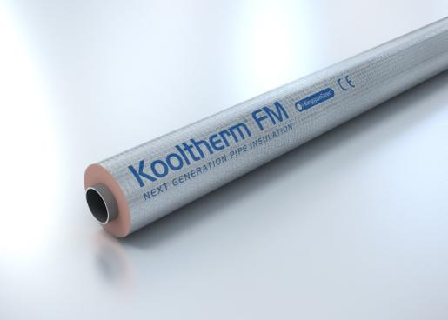

 |  |  | KOOLTHERM ELBOWS FOILED

Price list valid from 01.06.2021 |  |  |  |  |  |  |  | ELBOWS 90° - 1,5D - 3S - Type 103 |  |  |  |  | milled
 |  |  |  |  |  |  |  | ELBOWS 90° - 1,5D - 3S - Type 101 & 102 |  |  |  |  |  | Unfoiled
 |  |  |  |  |  |  |  | ELBOWS 90° - 1,5D - 3S - Type 201 & 203 |  |  |  |  | mitred
Prices Ex-works Turnhout |  |  |  |  |  |  | Thickness mm.
Ø | 15 | 20 | 25 | 30 | 35 | 40 | 45 | 50 | 55 | 60 | 65 | 70 | 75 | 80 | Std
 | € / pc | € / pc | € / pc | € / pc | € / pc | € / pc | € / pc | € / pc | € / pc | € / pc | € / pc | € / pc | € / pc | € / pc | R
21/22 | 10.08 | 11.91 | 16.73 | 18.33 | 19.91 | 39.14 | 41.64 | 45.61 | 49.67 | 53.64 | 57.69 | 61.71 | 65.68 | 45.39 | 38
25/26 | 10.58 | 12.22 | 17.66 | 20.35 | 22.32 | 40.20 | 43.48 | 47.68 | 51.97 | 56.17 | 60.45 | 64.70 | 68.90 | 47.28
27/28 | 10.69 | 12.34 | 17.77 | 20.47 | 22.44 | 40.31 | 43.60 | 47.80 | 52.08 | 56.28 | 60.57 | 64.81 | 69.01 | 47.39 | 29
32 | 11.57 | 14.42 | 18.59 | 24.31 | 43.52 | 46.17 | 46.19 | 55.20 | 64.29 | 73.30 | 82.39 | 91.45 | 100.45 | 48.52
34/35 | 11.68 | 14.53 | 18.70 | 24.43 | 43.64 | 46.28 | 46.30 | 55.31 | 64.41 | 73.41 | 82.51 | 91.56 | 100.57 | 48.63 | 38
40 | 13.51 | 16.01 | 20.35 | 39.98 | 45.22 | 51.61 | 49.39 | 58.36 | 67.42 | 76.39 | 85.45 | 94.47 | 103.44 | 56.77
42 | 13.63 | 16.13 | 20.47 | 40.09 | 45.34 | 51.73 | 49.51 | 58.48 | 67.54 | 76.51 | 85.57 | 94.58 | 103.55 | 56.89 | 48
48 | 13.75 | 17.92 | 21.40 | 41.56 | 47.24 | 53.63 | 51.28 | 62.86 | 74.53 | 86.11 | 97.78 | 109.41 | 112.94 | 60.16 | 57
54 | 15.74 | 21.49 | 40.39 | 43.13 | 50.46 | 55.69 | 56.46 | 66.02 | 75.67 | 87.54 | 98.34 | 111.39 | 114.06 | 66.83
60 | 16.31 | 33.57 | 40.96 | 43.70 | 51.03 | 58.57 | 57.03 | 66.59 | 76.25 | 88.11 | 98.91 | 111.96 | 116.93 | 67.41 | 76
63/64 | 28.17 | 35.24 | 43.01 | 45.89 | 53.58 | 61.50 | 59.88 | 69.92 | 80.06 | 92.52 | 103.86 | 117.56 | 120.36 | 70.78
75/76 | 32.58 | 36.61 | 45.88 | 50.48 | 59.60 | 66.69 | 65.76 | 77.73 | 89.71 | 101.69 | 113.62 | 122.19 | 131.87 | 73.89 | 95
89/90 | 36.50 | 40.61 | 51.78 | 56.22 | 65.84 | 72.61 | 73.38 | 86.40 | 97.21 | 104.51 | 115.32 | 124.61 | 135.73 | 83.42 | 115
102 | 40.78 | 45.43 | 53.88 | 59.68 | 67.92 | 75.54 | 80.28 | 89.45 | 98.57 | 107.74 | 119.16 | 126.03 | 138.60 | 92.89 | 134
108 |  | 50.66 | 56.69 | 62.96 | 69.47 | 76.23 | 83.30 | 90.55 | 100.14 | 109.70 | 122.16 | 126.53 | 140.74 | 97.45 | 143
110 |  | 53.18 | 59.48 | 65.90 | 72.72 | 79.69 | 86.99 | 94.48 | 102.01 | 110.38 | 125.06 | 128.78 | 142.98 | 102.60
114 |  | 54.39 | 60.69 | 67.11 | 73.93 | 80.90 | 88.20 | 95.68 | 103.21 | 110.70 | 127.42 | 129.11 | 144.19 | 103.81 | 153
125 |  | 62.91 | 69.67 | 76.69 | 84.00 | 91.48 | 99.25 | 107.30 | 115.30 | 123.35 | 131.39 | 139.44 | 147.44 | 118.46 | 175
133 |  | 66.38 | 73.38 | 80.62 | 88.12 | 95.78 | 103.78 | 112.02 | 120.27 | 128.52 | 136.72 | 144.97 | 153.22 | 123.59 | 181
140 |  | 69.64 | 76.81 | 84.23 | 91.88 | 99.79 | 107.96 | 116.38 | 124.79 | 133.21 | 141.63 | 150.00 | 158.42 | 130.05 | 191
159 |  |  | 84.64 | 92.44 | 100.49 | 108.86 | 117.42 | 126.25 | 125.84 | 128.87 | 131.93 | 135.06 | 138.25 | 146.67 | 216
168 |  |  | 90.19 | 98.32 | 106.64 | 109.15 | 102.60 | 119.83 | 122.09 | 124.45 | 126.94 | 129.30 | 131.82 | 134.34 | 229
180 |  |  | 121.89 | 124.50 | 127.01 | 129.60 | 131.18 | 133.77 | 136.43 | 139.16 | 142.03 | 144.83 | 147.80 | 164.72
200 |  |  | 123.14 | 125.75 | 128.25 | 130.84 | 132.42 | 135.01 | 137.67 | 140.41 | 143.27 | 146.07 | 149.04 | 165.96
219 |  |  | 124.38 | 126.99 | 129.49 | 132.08 | 133.66 | 136.25 | 138.91 | 141.65 | 144.52 | 147.31 | 150.28 | 167.20 | 305
268 |  |  | 184.79 | 189.54 | 194.45 | 199.43 | 201.69 | 206.51 | 211.53 | 216.75 | 221.78 | 227.13 | 232.45 | 237.76 | 378
273 |  |  | 185.75 | 190.54 | 195.65 | 200.62 | 202.89 | 207.92 | 212.87 | 217.99 | 223.19 | 228.70 | 234.14 | 239.57 | 381
324 |  |  | 237.20 | 241.72 | 247.49 | 253.34 | 256.00 | 261.71 | 267.55 | 273.36 | 279.50 | 285.62 | 291.92 | 298.21 | 457
356 |  |  | 252.78 | 257.67 | 262.76 | 269.17 | 272.13 | 278.38 | 284.74 | 291.13 | 297.73 | 304.39 | 311.08 | 317.78 | 534
368 |  |  | 255.07 | 260.20 | 265.45 | 272.03 | 274.99 | 281.24 | 287.81 | 294.36 | 300.97 | 307.82 | 314.80 | 321.79 | 534
406 |  |  |  | 294.26 | 299.66 | 306.53 | 300.90 | 307.45 | 314.31 | 321.13 | 328.03 | 335.16 | 342.44 | 349.71 | 610
457 |  |  |  | 340.40 | 349.16 | 345.72 | 350.69 | 360.55 | 370.82 | 381.16 | 391.58 | 402.29 | 413.16 | 424.03 | 686
508 |  |  |  |  |  | 398.22 | 403.60 | 414.36 | 425.77 | 437.10 | 448.47 | 460.23 | 472.14 | 484.06 | 762
610 |  |  |  |  |  | 431.66 | 437.92 | 450.57 | 463.79 | 476.95 | 490.13 | 503.77 | 517.54 | 531.31 | 915

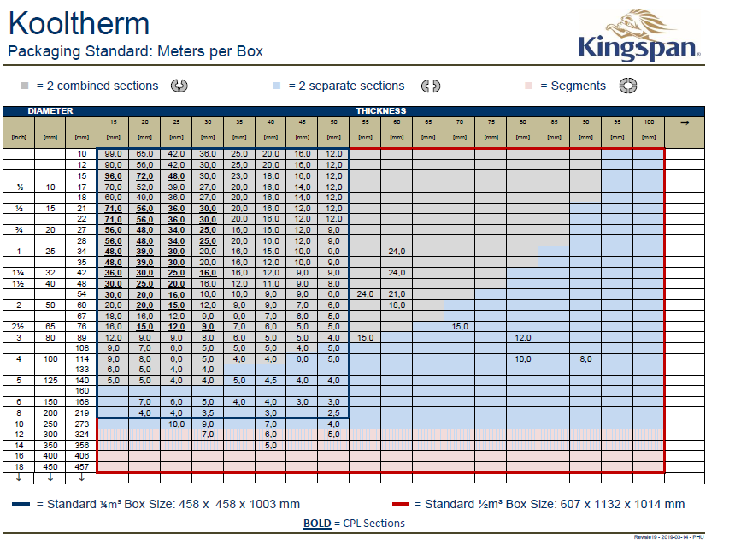

 |  |  | KOOLTHERM FM Stock sizes

Thicknes 15 mm |  |  |  |  |  | Thicknes 25 mm |  |  |  |  |  | Thicknes 40 mm
Dia | Thickness |  |  |  |  | Dia | Thickness |  |  |  |  | Dia | Thickness
21/22 | 15 |  |  |  |  | 17/18 | 25 |  |  |  |  | 34/35 | 40
27/28 | 15 |  |  |  |  | 21/22 | 25 |  |  |  |  | 42 | 40
34/35 | 15 |  |  |  |  | 27/28 | 25 |  |  |  |  | 48 | 40
42 | 15 |  |  |  |  | 34/35 | 25 |  |  |  |  | 60 | 40
 |  |  |  |  |  | 42 | 25 |  |  |  |  | 75/76 | 40
 |  |  |  |  |  | 48 | 25 |  |  |  |  | 89/90 | 40
 |  |  |  |  |  | 54 | 25 |  |  |  |  | 114 | 40
 |  |  |  |  |  | 60 | 25 |  |  |  |  | 140 | 40
 |  |  |  |  |  | 75/76 | 25 |  |  |  |  | 168 | 40
 |  |  |  |  |  | 89/90 | 25 |  |  |  |  | 219 | 40
 |  |  |  |  |  | 114 | 25 |  |  |  |  | 273 | 40
 |  |  |  |  |  | 168 | 25
 |  |  |  |  |  | 219 | 25

Thicknes 20 mm |  |  |  |  |  | Thicknes 30 mm |  |  |  |  |  | Thicknes 50 mm
Dia | Thickness |  |  |  |  | Dia | Thickness |  |  |  |  | Dia | Thickness
21/22 | 20 |  |  |  |  | 21/22 | 30 |  |  |  |  | 42 | 50
27/28 | 20 |  |  |  |  | 27/28 | 30 |  |  |  |  | 54 | 50
34/35 | 20 |  |  |  |  | 34/35 | 30 |  |  |  |  | 60 | 50
42 | 20 |  |  |  |  | 42 | 30 |  |  |  |  | 75/76 | 50
48 | 20 |  |  |  |  | 48 | 30 |  |  |  |  | 89/90 | 50
54 | 20 |  |  |  |  | 60 | 30 |  |  |  |  | 114 | 50
60 | 20 |  |  |  |  | 75/76 | 30 |  |  |  |  | 140 | 50
75/76 | 20 |  |  |  |  | 89/90 | 30 |  |  |  |  | 168 | 50
89/90 | 20 |  |  |  |  | 114 | 30 |  |  |  |  | 219 | 50
114 | 20 |  |  |  |  | 140 | 30 |  |  |  |  | 273 | 50
 |  |  |  |  |  | 168 | 30
 |  |  |  |  |  | 219 | 30

